All IndividualFlowCharts
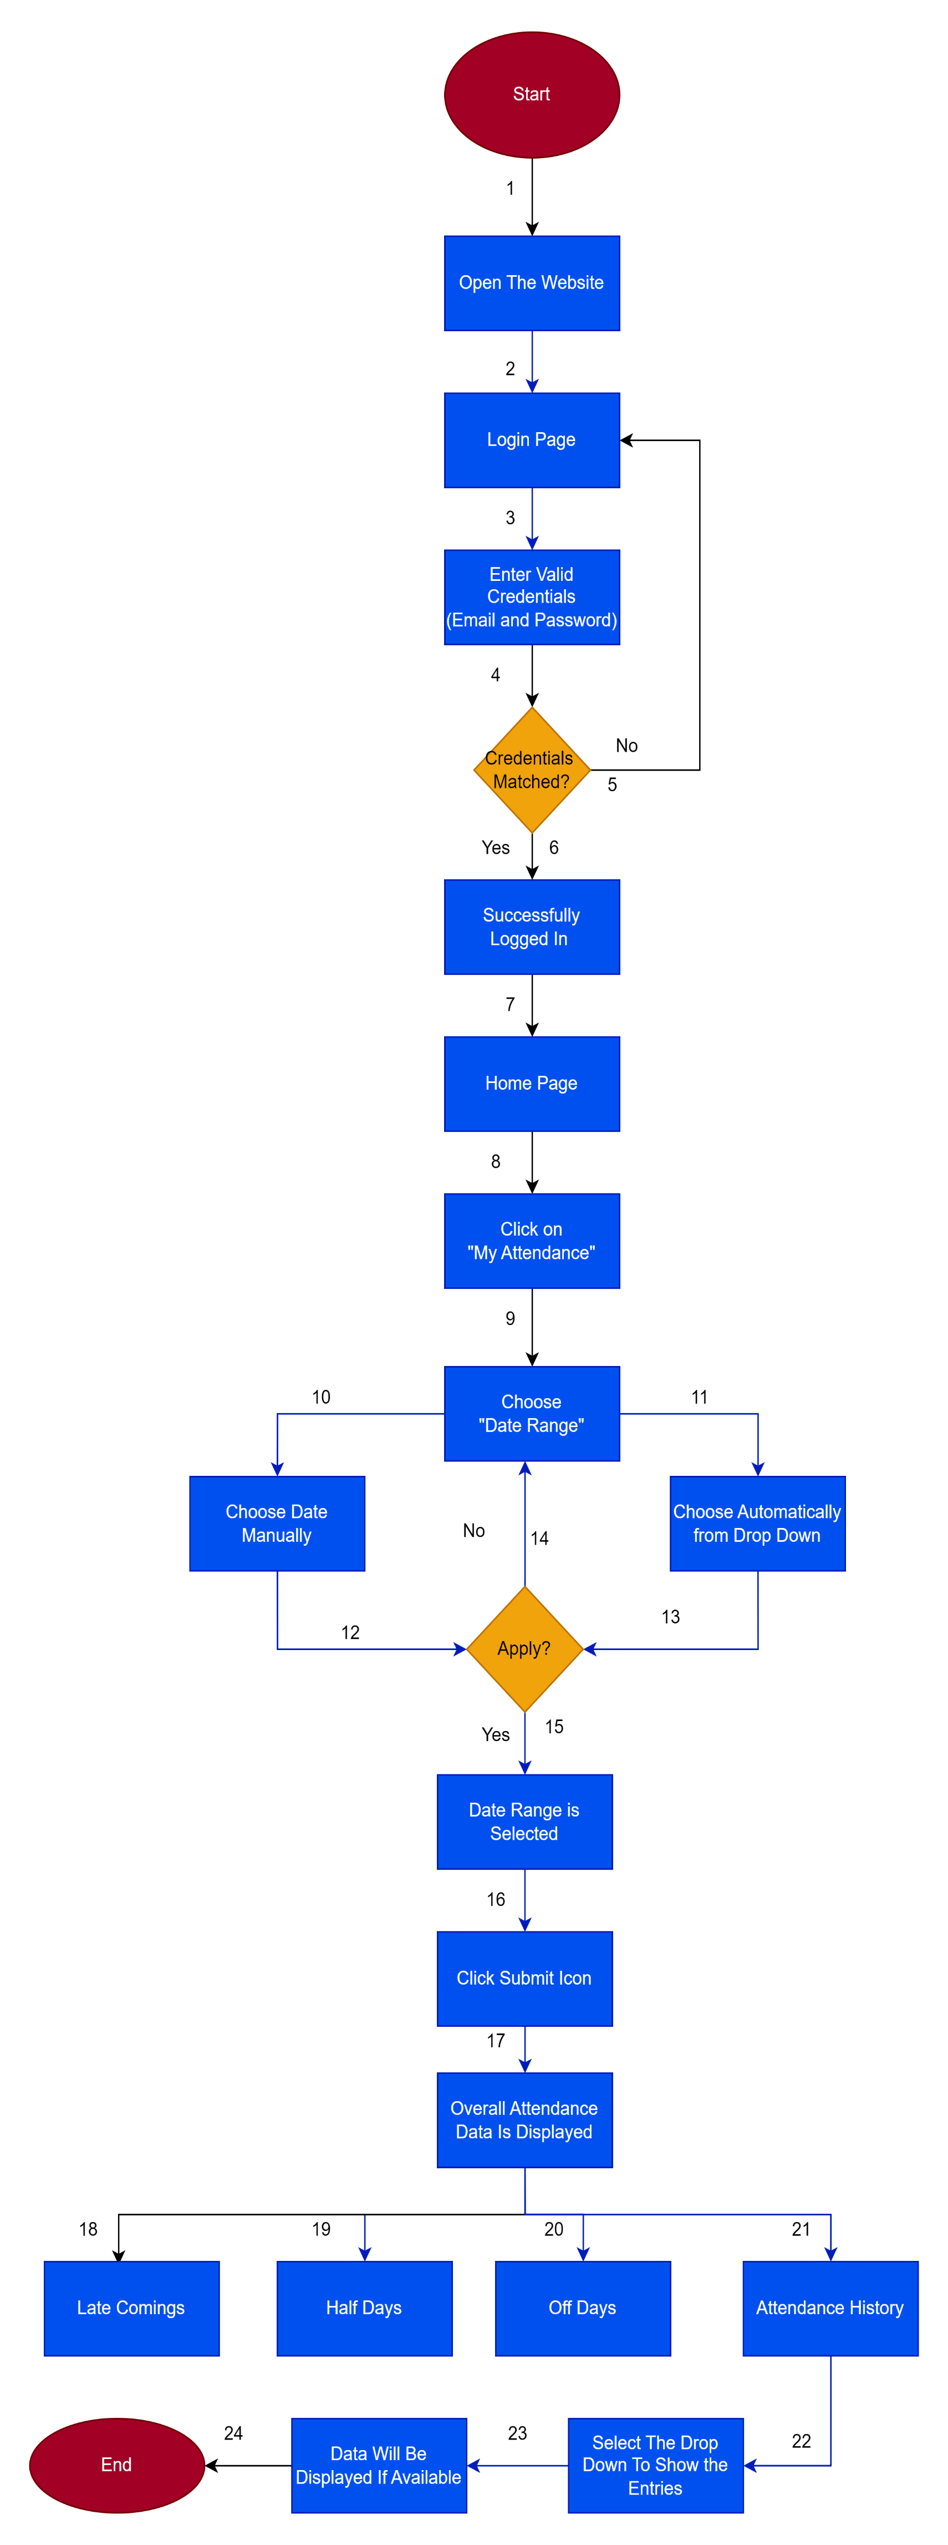
1) DashBoard Flow Chart

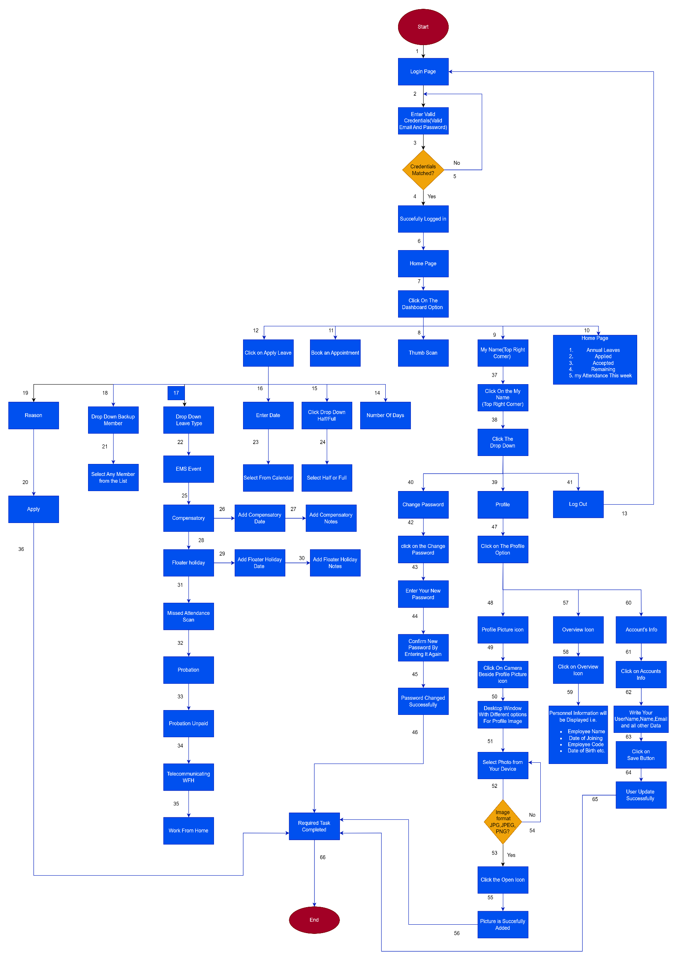

2) Leave Flow Chart

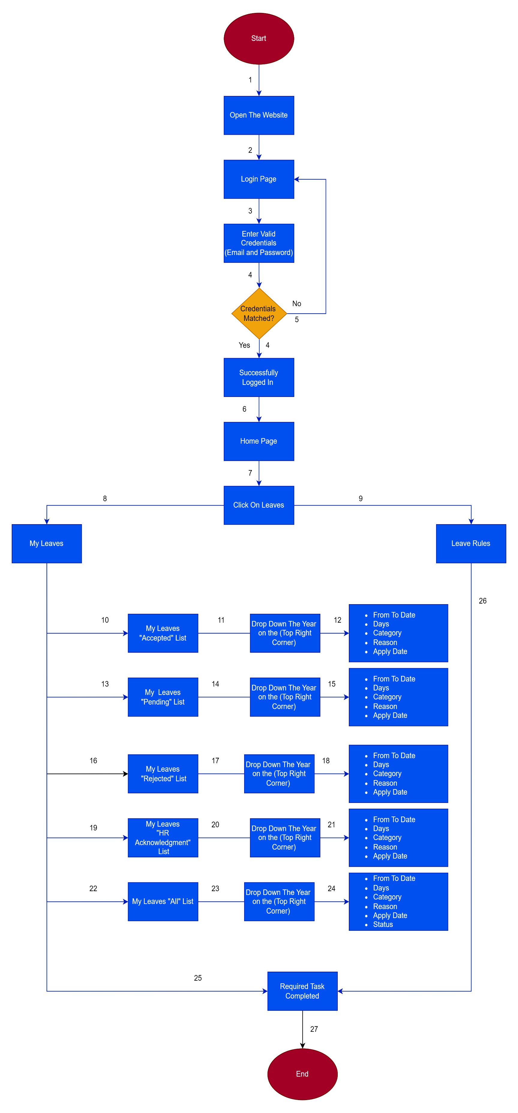

3) Holiday Flow Chart

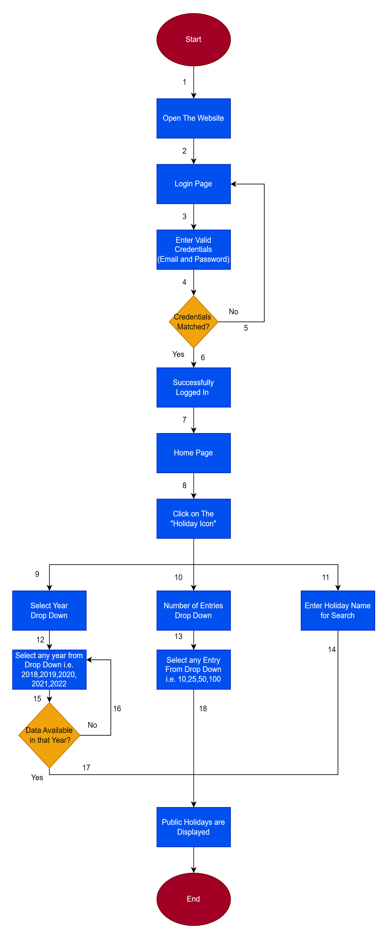

4) My Attendance Flow Chart

OverAll FlowChart
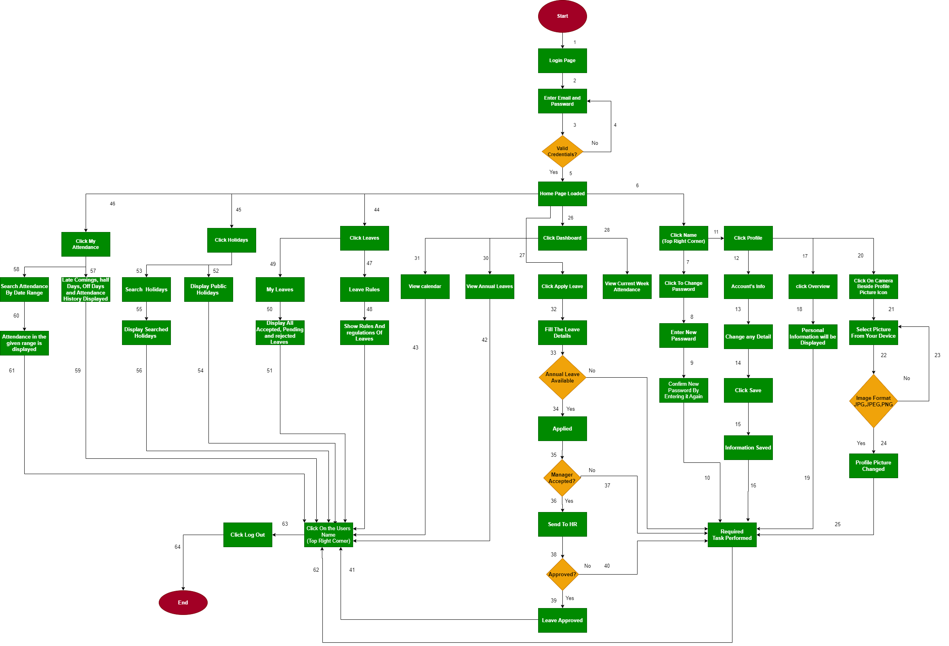
Total Project Flow Chart

Transition State Diagram
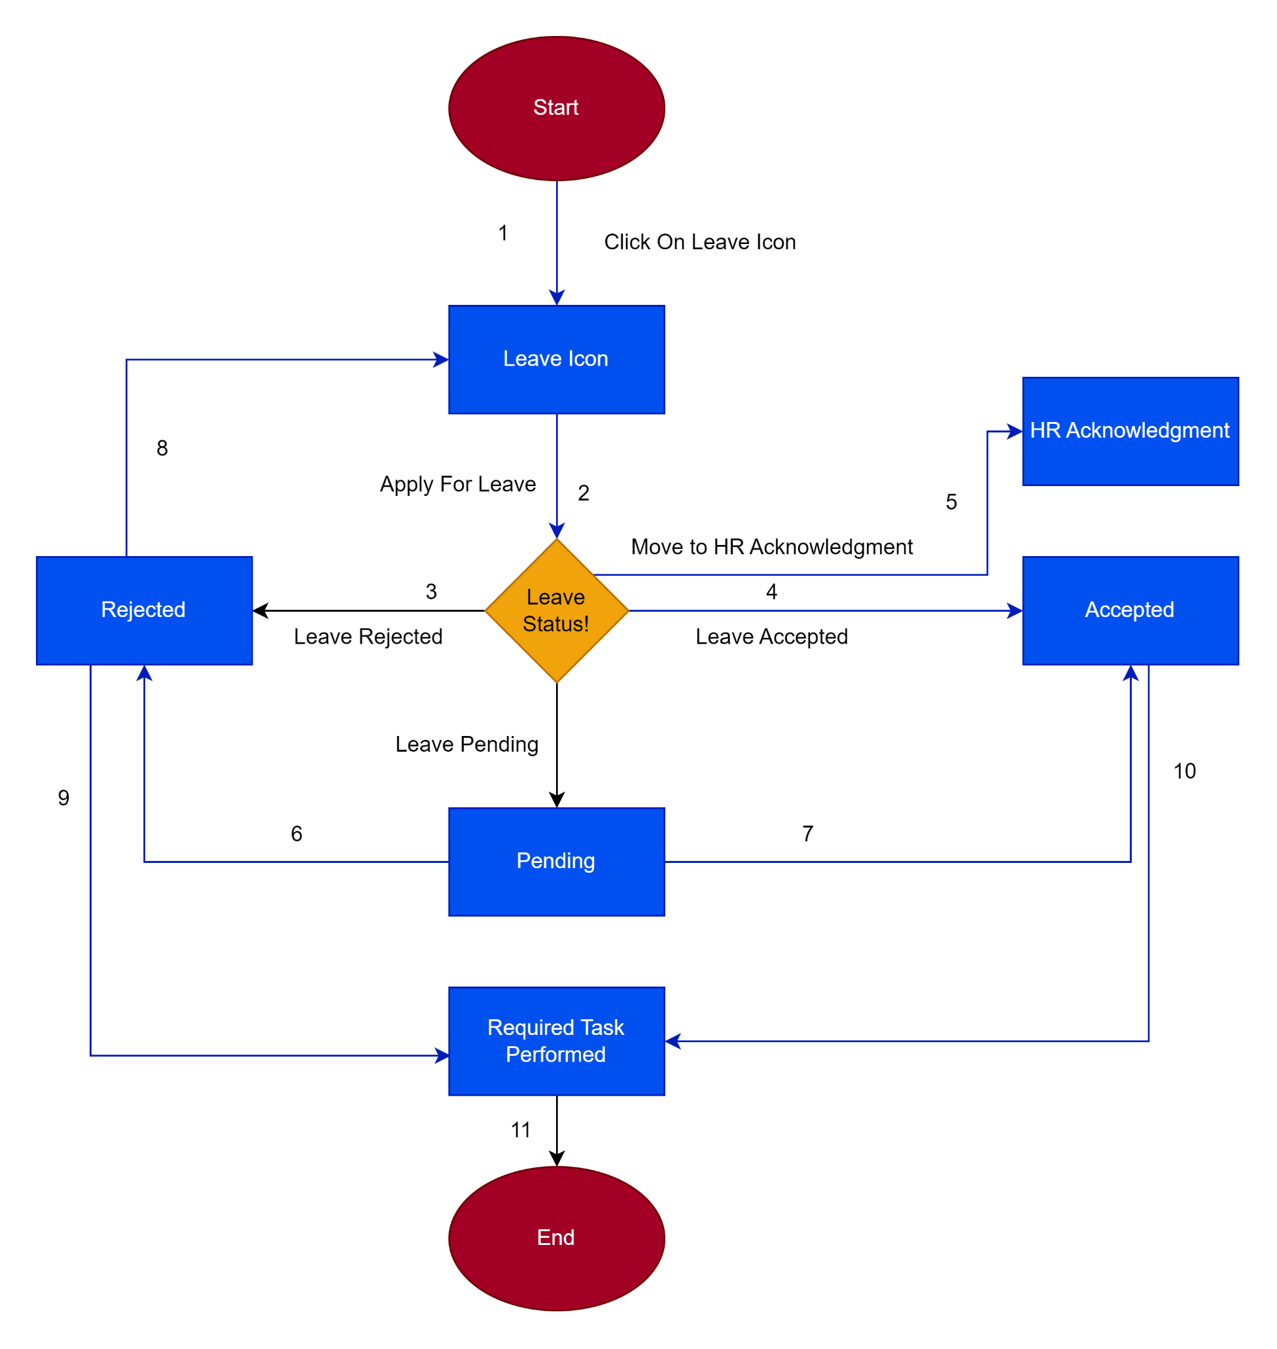
Transition State Diagram Of Leave

